Sheet1
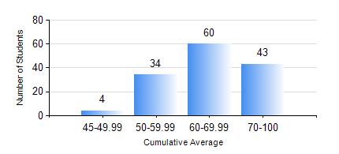
 |  |  | KWAME NKRUMAH UNIVERSITY OF SCIENCE AND TECHNOLOGY, KUMASI Department of Telecommunication Engineering

 |  |  | BSC. TELECOMMUNICATION ENG.

 |  |  | COMPREHENSIVE RECORD OF EXAMINATION RESULTS

 |  |  | RESULTS OF YEAR 4 SECOND SEMESTER, 2024/2025 ACADEMIC YEAR

 | Sn | Course Code |  | Course Name | Credit Hours | Min. Mark | Max. Mark | Avg. Mark | Std. Dev. | No. Passed | No. Trailed | No. (Df) | No. (I) | No. (I*) | No. Tagged(I,I*,Df) | Total
 | 1. | EE 472 |  | DIGITAL SIGNAL PROCESSING | 3 | 22 | 87 | 57 | 13.15 | 135 | 6 | 0 | 0 | 0 | 0 | 141
 | 2. | ME 492 |  | MANAGEMENT AND ENTREPRENEURSHIP DEVELOPMENT | 2 | 25 | 79 | 68 | 8.01 | 139 | 2 | 0 | 0 | 0 | 0 | 141
 | 3. | TE 462 |  | TELECOMMUNICATION POLICY | 2 | 40 | 86 | 62 | 12.44 | 141 | 0 | 0 | 0 | 0 | 0 | 141
 | 4. | TE 472 |  | MOBILE AND SATELLITE COMMUNICATION SYSTEM | 3 | 40 | 88 | 59 | 12.09 | 141 | 0 | 0 | 0 | 0 | 0 | 141
 | 5. | TE 474 |  | MICROWAVE ENGINEERING | 2 | 34 | 91 | 75 | 10.23 | 140 | 1 | 0 | 0 | 0 | 0 | 141
 | 6. | TE 484 |  | NETWORK PLANNING | 2 | 31 | 87 | 62 | 12.58 | 136 | 5 | 0 | 0 | 0 | 0 | 141
 | 7. | TE 498 |  | PROJECT II | 5 | 54 | 92 | 84 | 8.61 | 141 | 0 | 0 | 0 | 0 | 0 | 141

